KPI-Revenue based on Marketing
Default Channel Grouping | Date Range | Users | New Users | Sessions | Bounce Rate | Pages / Session | Avg. Session Duration | Ecommerce Conversion Rate | Transactions | Revenue
Direct | Oct 1, 2020 - Oct 31, 2020 | 36407 | 35616 | 44100 | 44.72% | 4.79 | 176.31 | 0.13% | 58 | 3665.98
Direct | Oct 1, 2019 - Oct 31, 2019 | 9716 | 9357 | 11833 | 35.21% | 4.44 | 211.14 | 0.17% | 20 | 4654.8
Organic Search | Oct 1, 2020 - Oct 31, 2020 | 6385 | 4616 | 8999 | 42.20% | 5.16 | 201.71 | 0.08% | 7 | 253.75
Organic Search | Oct 1, 2019 - Oct 31, 2019 | 31535 | 28477 | 38078 | 53.57% | 3.2 | 138.98 | 0.14% | 53 | 2315.65
(Other) | Oct 1, 2020 - Oct 31, 2020 | 4184 | 3088 | 5834 | 32.00% | 6.04 | 260 | 0.10% | 6 | 333.1
(Other) | Oct 1, 2019 - Oct 31, 2019 | 1447 | 1034 | 1689 | 32.56% | 4.53 | 179.39 | 0.12% | 2 | 131
Display | Oct 1, 2020 - Oct 31, 2020 | 2975 | 2887 | 3479 | 75.51% | 2.87 | 59.97 | 0.00% | 0 | 0
Display | Oct 1, 2019 - Oct 31, 2019 | 631 | 601 | 737 | 77.07% | 1.9 | 36.37 | 0.00% | 0 | 0
Referral | Oct 1, 2020 - Oct 31, 2020 | 2543 | 1206 | 4538 | 29.62% | 7.76 | 312.13 | 0.00% | 0 | 0
Referral | Oct 1, 2019 - Oct 31, 2019 | 7899 | 5697 | 10995 | 26.75% | 5.42 | 251.38 | 0.00% | 0 | 0
Affiliates | Oct 1, 2020 - Oct 31, 2020 | 1518 | 1336 | 1866 | 65.97% | 2.11 | 134.36 | 0.00% | 0 | 0
Affiliates | Oct 1, 2019 - Oct 31, 2019 | 1624 | 1456 | 1872 | 60.42% | 2.37 | 137.58 | 0.00% | 0 | 0
Social | Oct 1, 2020 - Oct 31, 2020 | 517 | 461 | 568 | 53.70% | 4.98 | 92.71 | 0.00% | 0 | 0
Social | Oct 1, 2019 - Oct 31, 2019 | 2260 | 2118 | 2462 | 61.66% | 2.55 | 88.59 | 0.00% | 0 | 0
Paid Search | Oct 1, 2020 - Oct 31, 2020 | 85 | 16 | 163 | 26.99% | 7.21 | 206.35 | 0.61% | 1 | 75.3
Paid Search | Oct 1, 2019 - Oct 31, 2019 | 3056 | 2421 | 4080 | 30.91% | 4.9 | 199.37 | 0.20% | 8 | 343.75
 | Oct 1, 2020 - Oct 31, 2020 | 54614 | 49226 | 69547 | 44.49% | 4.98 | 187.92 | 0.10% | 72 | 4328.13
 | Oct 1, 2019 - Oct 31, 2019 | 58168 | 51161 | 71746 | 45.35% | 3.82 | 169.67 | 0.12% | 83 | 7445.2
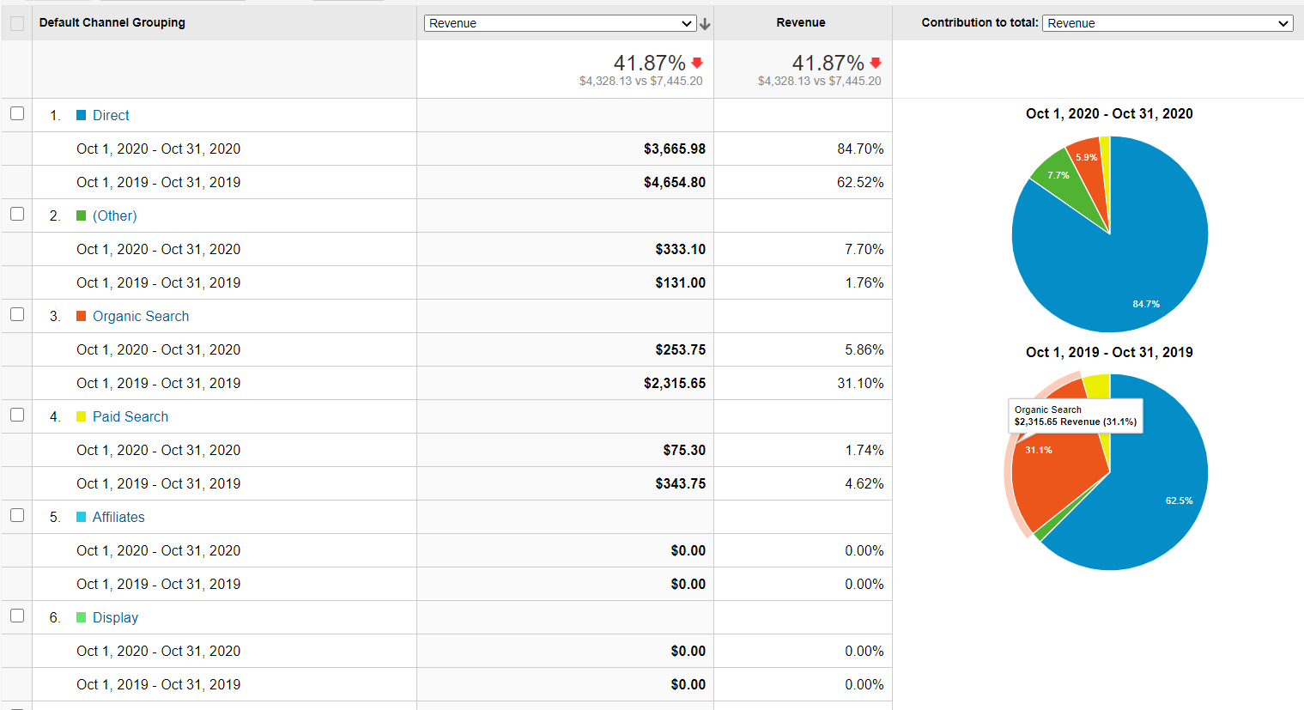

 | Introduction

 | We have accumulated a Channels Report using Google Analytucs to comapre the Revenue generated from different marketing channels
 | for the month of October, 2020 compared to the month of October, 2019.

 | Observations

 | For the month of October, 2020, the overall revenue generated decreased by 41.87% as compared to October, 2019. ($4,328.13 vs $7,445.20)
 | Direct Marketing channel contributed most to the Revenue ($3665.98 / 87.4%) in October, 2020 as well as for October, 2019. ($4654.80 / 62.5%)
 | There were more users using Direct marketing channel in October, 2020 than in October, 2019 but still generated less revenue than October, 2019.
 | The revenue generated using Organic Search marketing channel decreased drasically for October 2020 ($2315.65 Revenue / 31.1%) as compared to October 2019 ($253.75 Revenue / 5.9%)
 | The revenue generated using Paid Search marketing channel decreased for October 2020 as compared to October 2019. ($75.30 vs $343.75)

 | Reasons and Recommendations

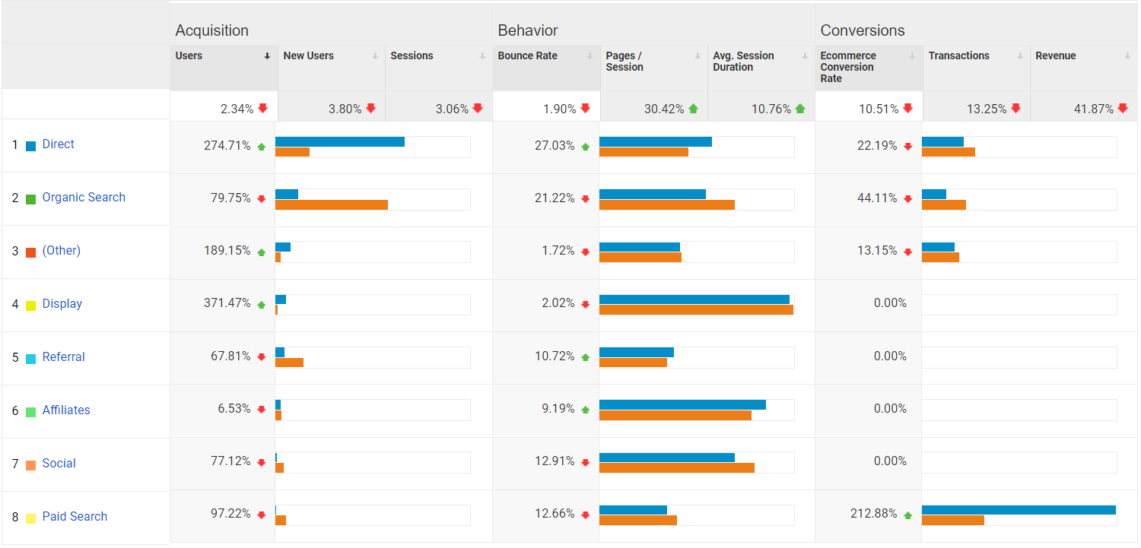

 | 1. Looking at the Acquisition report above, we see that the conversion rate has decreased by 10.51% for October 2020 as compared to October 2019.
 | 2. The number of new users and sessions have dropped as well (3.80% ; 3.06%)
 | 3. The number of Pages/Session and Avg. Session Duration have increased for October 2020 as compared to October 2019 (30.42% ; 10.76%) and yet the revenue decreased suggesting that the users
 | spent time on our website and still did not purchase the product probably because of high prices.
 | 4. The bounce rate decreased suggesting that the users liked the products and they did not leave our website and went to look for the same product at cheaper prices.
 | 5. A way to generate more revenue could be to have marketing campaigns like a 50% Off sale etc., to attract more users and generate more traffic which might bring in more revenue.

KPI-AOV-Region Analysis Report
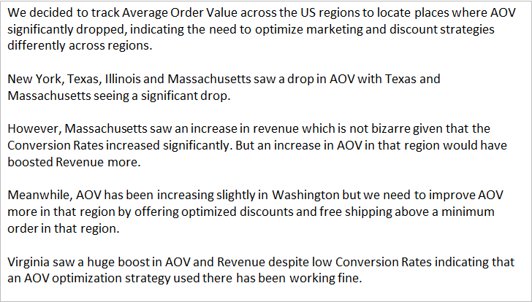
US Region Ranking (in term of Number of Sessions) | Region | Date Range | Avg. Order Value (AOV) | Revenue | Sessions | E-commerce Conversion Rate
1 | California | 01-Oct-2020 - 31-Oct-2020 | 53.54 | 910.1 | 10007 | 0.17%
 |  | 01-Oct-2019 - 31-Oct-2019 | 45.6 | 1048.75 | 9629 | 0.24%
 |  |  | 17.41% | -13.22% | 3.93% | -28.88%

2 | Virginia | 01-Oct-2020 - 31-Oct-2020 | 73 | 292 | 3803 | 0.11%
 |  | 01-Oct-2019 - 31-Oct-2019 | 15.4 | 30.8 | 580 | 0.34%
 |  |  | 374.03% | 848.05% | 555.69% | -69.50%

3 | New York | 01-Oct-2020 - 31-Oct-2020 | 59.35 | 237.4 | 2760 | 0.14%
 |  | 01-Oct-2019 - 31-Oct-2019 | 62.42 | 749 | 3549 | 0.34%
 |  |  | -4.91% | -68.30% | -22.23% | -57.14%

5 | Texas | 01-Oct-2020 - 31-Oct-2020 | 67.82 | 542.56 | 1998 | 0.40%
 |  | 01-Oct-2019 - 31-Oct-2019 | 367.49 | 4042.4 | 1818 | 0.61%
 |  |  | -81.55% | -86.58% | 9.90% | -33.82%

8 | Illinois | 01-Oct-2020 - 31-Oct-2020 | 53 | 106 | 1441 | 0.14%
 |  | 01-Oct-2019 - 31-Oct-2019 | 56.89 | 227.55 | 1146 | 0.35%
 |  |  | -6.83% | -53.42% | 25.74% | -60.24%

9 | Massachusetts | 01-Oct-2020 - 31-Oct-2020 | 41.26 | 165.05 | 1395 | 0.29%
 |  | 01-Oct-2019 - 31-Oct-2019 | 66 | 132 | 1103 | 0.18%
 |  |  | -37.48% | 25.04% | 26.47% | 58.14%

10 | Washington | 01-Oct-2020 - 31-Oct-2020 | 35.25 | 70.5 | 1234 | 0.16%
 |  | 01-Oct-2019 - 31-Oct-2019 | 28.85 | 57.7 | 1318 | 0.15%
 |  |  | 22.18% | 22.18% | -6.37% | 6.81%

 | All Regions | 01-Oct-2020 - 31-Oct-2020 | 60.11 | 4328.13 | 69547 | 0.10%
 | All Regions | 01-Oct-2019 - 31-Oct-2019 | 89.7 | 7445.2 | 71746 | 0.12%
 |  |  | -32.99% | -41.87% | -3.06% | -10.51%

Conversion Funnel
Conversion Funnel

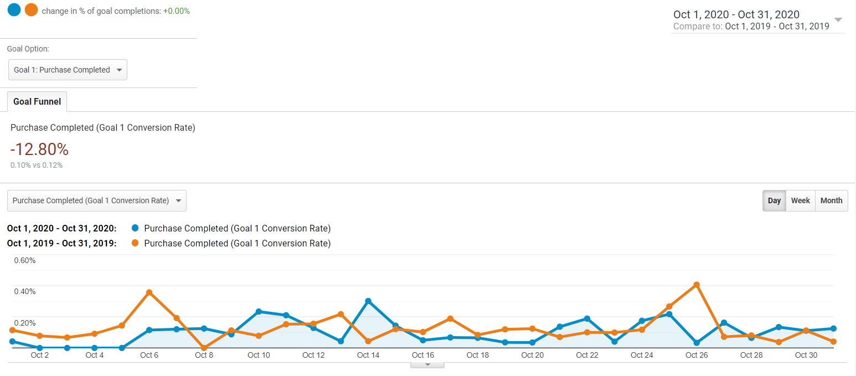

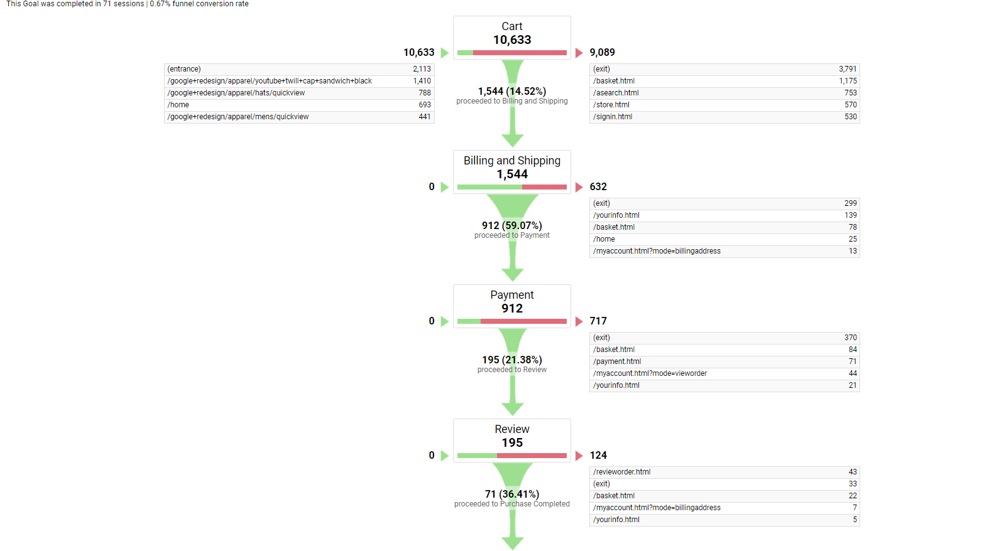

Observations
A goal is set by the manager as a means to track the performance.
Our goal is Purchase Completion and we have compared the goal converson rate for October, 2020 and October, 2019. We can see that the conversion rate for Purchase Completed has reduced by 12.8%.

The conversion funnel shows the number of sessions for every step towards reaching our goal. We can see that 36.41% sessions (71 sessions) proceeded to buy the product from our website.

Waterfall
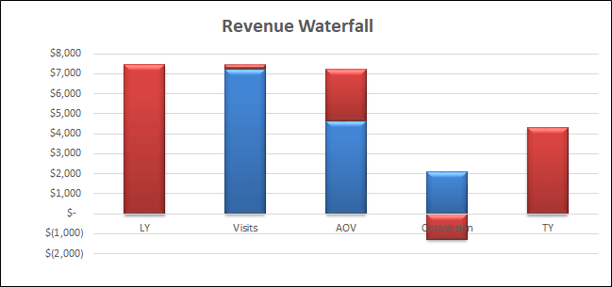
 | LY 2019 | TY 2020 | % vs LY | # vs Ly | Metric Change Impact on Demand
Revenue | $7,445.70 | $4,328.13 | -42% | -$3,118
Visits | 71,746 | 69,547 | -3% | -2,199 | -$237
AOV | $89.70 | $60.11 | -33% | -$29.59 | -$2,548
Conversion | 0.12% | 0.10% | -17% | -0.02% | -$1,287

LY | Visits | AOV | Conversion | TY
7445.7 | -237 | -2,547.56 | -1,287.12 | 4328.13

Product Performance Analysis
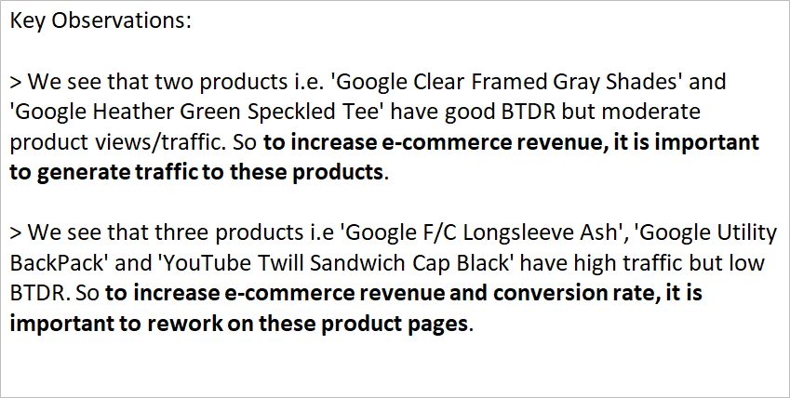
Product Ranking (in terms of Revenue Generated) | Product Name | Date Range | Product Revenue (in $) | Product Detail Views | Buy-to-Detail Rate (BTDR) | Product Adds To Basket | Quantity | Avg. QTY | Unique Purchases | Avg. Price | Comments (where necessary)
1 | Google Zip Hoodie F/C | 01-Oct-2020 - 31-Oct-2020 | 480.00 | 0 | 0.00% | 0 | 8 | 1.33 | 6 | 60.00 | Bad E-commerce presence. Need to generate traffic to product page through marketing strategies.
 | Google Zip Hoodie F/C | 01-Oct-2019 - 31-Oct-2019 | 180.00 | 247 | 1.21% | 29 | 3 | 1.00 | 3 | 60.00

2 | Google Clear Framed Gray Shades | 01-Oct-2020 - 31-Oct-2020 | 213.50 | 67 | 4.48% | 0 | 61 | 20.33 | 3 | 3.50 | Good BTDR but moderate traffic. Need to generate more traffic to product page through marketing strategies.
 | Google Clear Framed Gray Shades | 01-Oct-2019 - 31-Oct-2019 | 5.00 | 23 | 4.35% | 6 | 1 | 1.00 | 1 | 5.00

3 | Google F/C Longsleeve Ash | 01-Oct-2020 - 31-Oct-2020 | 192.00 | 233 | 1.29% | 0 | 7 | 2.33 | 3 | 27.43 | Low BTDR. Need to improve product page performance given that the product generates good traffic.
 | Google F/C Longsleeve Ash | 01-Oct-2019 - 31-Oct-2019 | 60.00 | 34 | 5.88% | 1 | 2 | 1.00 | 2 | 30.00

4 | Google Heather Green Speckled Tee | 01-Oct-2020 - 31-Oct-2020 | 189.00 | 140 | 3.57% | 0 | 9 | 1.80 | 5 | 21.00 | Good BTDR but moderate traffic. Need to generate more traffic to product page through marketing strategies.
 | Google Heather Green Speckled Tee | 01-Oct-2019 - 31-Oct-2019 | 0.00 | 81 | 0.00% | 17 | 0 | 0.00 | 0 | 0.00

5 | Google Perk Thermal Tumbler | 01-Oct-2020 - 31-Oct-2020 | 136.00 | 192 | 2.08% | 0 | 7 | 1.75 | 4 | 19.43 | Moderate BTDR and traffic.
 | Google Perk Thermal Tumbler | 01-Oct-2019 - 31-Oct-2019 | 0.00 | 207 | 0.00% | 19 | 0 | 0.00 | 0 | 0.00

6 | Google Utility BackPack | 01-Oct-2020 - 31-Oct-2020 | 120.00 | 579 | 0.17% | 0 | 1 | 1.00 | 1 | 120.00 | Very low BTDR mainly due to high pricing. Need to improve product page performance given that the product generates huge traffic.
 | Google Utility BackPack | 01-Oct-2019 - 31-Oct-2019 | 0.00 | 1101 | 0.00% | 22 | 0 | 0.00 | 0 | 0.00

7 | Google Men's Tech Fleece Vest Charcoal | 01-Oct-2020 - 31-Oct-2020 | 110.60 | 0 | 0.00% | 0 | 2 | 1.00 | 2 | 55.30 | Bad E-commerce presence. Need to generate traffic to product page through marketing strategies.
 | Google Men's Tech Fleece Vest Charcoal | 01-Oct-2019 - 31-Oct-2019 | 0.00 | 64 | 0.00% | 10 | 0 | 0.00 | 0 | 0.00

8 | YouTube Twill Sandwich Cap Black | 01-Oct-2020 - 31-Oct-2020 | 104.00 | 1627 | 0.31% | 0 | 8 | 1.60 | 5 | 13.00 | Very low BTDR. Need to improve product page performance given that the product generates huge traffic.
 | YouTube Twill Sandwich Cap Black | 01-Oct-2019 - 31-Oct-2019 | 39.00 | 451 | 0.67% | 89 | 3 | 1.00 | 3 | 13.00

9 | Unisex Google Pocket Tee Grey | 01-Oct-2020 - 31-Oct-2020 | 101.50 | 0 | 0.00% | 0 | 5 | 1.25 | 4 | 20.30 | Bad E-commerce presence. Need to generate traffic to product page through marketing strategies.
 | Unisex Google Pocket Tee Grey | 01-Oct-2019 - 31-Oct-2019 | 0.00 | 0 | 0.00% | 0 | 0 | 0.00 | 0 | 0.00

10 | Google Navy Speckled Tee | 01-Oct-2020 - 31-Oct-2020 | 90.00 | 99 | 2.02% | 0 | 3 | 1.50 | 2 | 30.00 | Moderate BTDR and traffic.
 | Google Navy Speckled Tee | 01-Oct-2019 - 31-Oct-2019 | 30.00 | 130 | 0.77% | 37 | 1 | 1.00 | 1 | 30.00

KPI-New vs Returning users
 | Users | New Users | Sessions | Bounce Rate | Pages / Session | Avg. Session Duration | Transactions | Revenue | Ecommerce Conversion Rate
 | 2.34% 53,330 vs 54,606 | 3.78% 49,226 vs 51,161 | 3.06% 69,547 vs 71,746 | 1.90% 44.49% vs 45.35% | 30.42% 4.98 vs 3.82 | 10.76% 00:03:08 vs 00:02:50 | 13.25% 72 vs 83 | 41.87% $4,328.13 vs $7,445.20 | 10.51% 0.10% vs 0.12%
New Visitor
Oct 1, 2020 - Oct 31, 2020 | 48,819 (81.37%) | 49,226 (100.00%) | 49,226 (70.78%) | 47.53% | 4.29 | 0:02:28 | 45 (62.50%) | $3,070.58 (70.94%) | 0.09%
Oct 1, 2019 - Oct 31, 2019 | 50,433 (80.85%) | 51,161 (100.00%) | 51,161 (71.31%) | 47.49% | 3.5 | 0:02:23 | 52 (62.65%) | $5,986.05 (80.40%) | 0.10%
% Change | -3.20% | -3.78% | -3.78% | 0.09% | 22.44% | 3.28% | -13.46% | -48.70% | -10.06%
Returning Visitor
Oct 1, 2020 - Oct 31, 2020 | 11,176 (18.63%) | 0 (0.00%) | 20,321 (29.22%) | 37.11% | 6.65 | 0:04:46 | 27 (37.50%) | $1,257.55 (29.06%) | 0.13%
Oct 1, 2019 - Oct 31, 2019 | 11,943 (19.15%) | 0 (0.00%) | 20,585 (28.69%) | 40.02% | 4.6 | 0:03:56 | 31 (37.35%) | $1,459.15 (19.60%) | 0.15%
% Change | -6.42% | 0.00% | -1.28% | -7.26% | 44.54% | 20.92% | -12.90% | -13.82% | -11.77%
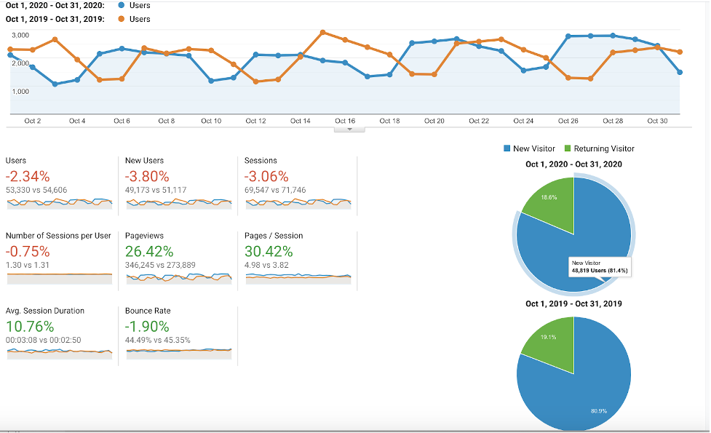

Based on the analysis above, it suggests that New users have slightly decreased but still covers the major part of e-commerce.
Also, a decreasing bounce rate is a good indicator that users are interacting with the website.
A negative conversion rate but positive Session Duration suggests customers spend more time on the website but a transaction does not happen.
Promotional programs for loyal customers, discounts for returning customers and reward points will improve customer loyalty and motivate them to return to Nordstrom.

